BBA
Table 4.1 - Standard 4 Student Learning Assessment
Identified in Criterion 4.2 | Identified in Criterion 4.1 | Identified in Criterion 4.3 |  | Identified in Criterion 4.4 | Identified in Criterion 4.3
Approach | Deployment | Results | Analysis of Results | Improvement | Insert Graphs or Tables of Trends (3-5 data points) Report sample or population size n = #
Program Learning Objectives SLO1, SLO2, etc. | What is your measurement instrument or process? | What are your current results? | What did you learn from the results? | What did you improve or what is your next step?
 | (Indicate type of instrument) direct, formative, internal, external, comparative, and/or summative

BACHELOR OF BUSINESS ADMINISTRATION (BBA)
CORE LEARNING OUTCOMES
CORE SLO: BBA students will demonstrate a core knowledge and comprehension of the current business environment as well as the functional areas of business, and be able to apply and integrate this knowledge and skillset in order to interpret, analyze and solve problems from an organizational perspective. Measurable Goal: To score no greater than 5 points less than the average of SACS and ACBSP Region 3 averages, respectively across topics of the CPCs. | Assessment Measure and Instrument: Peregrine Global Services administers the outbound exam for the UMO Tillman School of Business. The outbound exam is taken during the capstone course of each major. Type of Instrument: This assessment instrument is external, summative, and comparative. The BBA students take their outbound exams at the end of BUS 410: Business Policy and Strategy. | See the graph below. The UMO BBA students outperformed in all areas Region 3 ACBSP as well as SACS aggregate schools. | BBA students scored higher than both aggregates in every discipline of the CPC core. BBA students scored 5 or more points higher in the following disciplines than both Region 3 and SACS: 1) Business Ethics 2) Information Management Sys 3) Operations and Production Mgt 4) Quantitative Research and Stats | The short-term goal (2nd QA report) is to score at least 75 on each CPC topic. At the time of the self-study (2030), the goal is at least 80, with 85 being the mark of excellence. Six areas had an average higher than 70: 1) Business Ethics 2) Global Dimensions of Busines 3) Information Management Systems Management 4) Operations/Production Management 5) Quantitative Research Techniques and 6) Statistics | See below.
UMO BBA Students (n = 122) Common Professional Components
 | ACBSP Region 3 | SACS COC | UMO
Accounting | 61.479 | 61.424 | 65.081967213
Ethics | 66.381 | 65.39 | 73.442622951
Finance | 61.195 | 60.865 | 65.491803279
Strategy | 68.963 | 67.922 | 71.967213115
Leadership | 65.367 | 63.773 | 67.540983607
Economics | 62.266 | 62.497 | 66.31147541
Macro | 61.753 | 61.75 | 66.557377049
Micro | 62.84 | 63.105 | 66.06557377
Global | 63.248 | 62.585 | 68.032786885
IT | 72.194 | 70.58 | 77.37704918
Law | 67.195 | 66.21 | 69.262295082
Management | 66.946 | 65.854 | 71.31147541
HR | 71.042 | 70.215 | 74.567901235
Operations | 64.096 | 63.037 | 69.62962963
Org Behavior | 65.701 | 64.779 | 69.756097561
Marketing | 69.001 | 68.357 | 71.721311475
Statistics | 62.474 | 62.159 | 69.590163934
SLO 1: Exercising Management Skills
YE 2021 n = 49 (Year 2) | 0.98
YE 2022 n = 31 (Year 3) | 0.87
YE 2023 Closing the Loop (Year 0)
YE 2024 n = 18 (Year 1) | 0.89
Good
SLO 2: Evaluating Operational Problems
YE 2021 n = 40 (Year 2) | 0.75
YE 2022 n = 82 (Year 3)
YE 2023 Closing the Loop (Year 0) | 0.85
YE 2024 n = 79 (Year 1) | 0.91
BACHELOR OF BUSINESS ADMINISTRATION (BBA) STUDENT LEARNING OUTCOMES (1, 2, & 4)
SLO1: BBA students will exercise management skills, with an ethical perspective, that are necessary to plan, organize, direct and control operations of a business. Measurable Goal: At least 85% of students will receive a score of Proficient on a designated assignment using a standard rubric. The 85% threshold represents proficiency that is “above average” (or B+), a measure of quality that parallels Quality Matters (an industry leader in online course design). | Assessment Measure and Instrument: The direct assessment measure is a research assignment in HCM 325. The assignment presents key challenges and opportunities that arise with evolving laws and policies which influence managerial decisions and strategies, specifically as they relate to the impact of healthcare policies in areas such as human resources, accounting, finance, and/or marketing. Type of Instrument: The research assignment is a direct, formative, and internal assessment instrument. It is selected in Year 0 by the subject matter expert and required during the educational program in HCM 325: Managerial Implications of Healthcare . Samples of student work are examined by two reviewers, and student performance evaluated via a standard rubric. Both reviewers are full-time faculty employed by the University of Mount Olive. | 2021 (n = 49): 42 of 41 (98%) were proficient. 2021 was Year 2 of a 3-Year Assessment Cycle. 2022 (n = 31) 27 of 31 (87%) were proficient. 2022 was Year 3 of a 3-Year Assessment Cycle. 2023 - Year 0 Assessment Plan revised and Closing the Loop Report submitted 2024 (n = 18): 16 of 18 (89%) were proficient. 2024 was Year 1 of a 3-year Assessment Cycle. | The consistent level of proficiency demonstrated in HCM 325 with regard to healthcare policy and its integration into and influence on business decision-making is recognized as a direct product of 1) qualified HCM faculty with 2) practical experience who 3) carefully explain the expectations of the assignment. | The results exceeded the performance goal of 85.0% proficiency in each year. No program changes were made as a result of this specific assessment. The downward trajectory of the proficiency rate from Year 2 to Year 3 was monitored. However, an ‘ethics’ component was integrated into the research assignment according to the specifics per SLO 1.
SLO2: BBA students will apply theory of economics and business law in evaluating and solving operational problems that arise in business. Measurable Goal: At least 85% of students will receive a score of Proficient on a designated assignment using a standard rubric. The 85% threshold represents proficiency that is “above average” (or B+), a measure of quality that parallels Quality Matters (an industry leader in online course design). | Assessment Measure and Instrument: The direct assessment measure is a case study in BUS 416. Students conduct research and develop a case analysis on topics such as legal, regulatory, and/or ethical issues likely confronted in business. Type of Instrument: The case study is a direct, formative, and internal assessment instrument. It was selected in Year 0 by the subject matter expert and required during the educational program in BUS 416: Government Regulations, Law and Ethics in Business. Samples of student work are examined by two reviewers, and student performance evaluated via a standard rubric. Both reviewers are full-time faculty employed by the University of Mount Olive. | 2021 (n = 40): 30 of 40 (75%) were proficient. 2021 was Year 2 of a 3-Year Assessment Cycle. 2022 (n = 82) 70 of 82 (85%) were proficient. 2022 was Year 3 of a 3-Year Assessment Cycle. 2023 - Year 0 Assessment Plan revised and Closing the Loop Report submitted 2024 (n = 79): 72 of 79 (91%) were proficient. 2024 was Year 1 of a 3-year Assessment Cycle. | A smaller sample and a new assignment resulted in assessment results that were less than proficient during 2020-2021. Change was necessitated in the areas of 1) clarity of requirements; and 2) alignment with program objectives. | Because of prior assessment reviews, the assessment assignment was tweaked in Year 2 to better align the requirements with the stated Student Learning Outcome (SLO2). The change – with a baseline proficiency rate of 75.0% in Year 2 (the 2020 - 2021 academic year) – yielded an improvement to 85.4% proficiency rate in the following 2021 – 2022 academic year, as well as the 2023 - 2024 academic year (91%).
SLO4: BBA students will evaluate the effects and consequences of macroeconomic affairs and policies visà-vis the macroeconomic environment, decision-making, strategy, and/or ethical leadership in business. Measurable Goal: At least 85% of students will receive a score of Proficient on a designated assignment using a standard rubric. The 85% threshold represents proficiency that is “above average” (or B+), a measure of quality that parallels Quality Matters (an industry leader in online course design). | Assessment Measure and Instrument: The direct assessment measure is a comprehensive project in ECO 407 that consists of current developments in economic affairs and policies to which students will explain and evaluate the macroeconomic effects and consequences. Type of Instrument: The project is a direct, internal, and formative assessment instrument. It was selected in Year 0 by the subject matter expert and required during the educational program in ECO 407: The Economics of Macro Issues. Samples of student work are examined by two reviewers, and student performance evaluated via a standard rubric. Both reviewers are full-time faculty employed by the University of Mount Olive. | 2021 (n=14): 13 of 14 (93%) were proficient. 2021 was Year 2 of a 3-Year Assessment Cycle. 2022 (n = 21) 19 of 21 (91%) were proficient. 2022 was Year 3 of a 3-Year Assessment Cycle. 2023 - Year 0 Assessment Plan revised and Closing the Loop Report submitted 2024 (n = 27): 22 of 27 (82%) were "at least" proficient. 2024 was Year 1 of a 3-year Assessment Cycle. | A drop in level of proficiency is noted, 2 percent in the last assessment cycle, and 9 percent difference between assessment cycles. Obviously, the goal is to maintain a level of proficiency. | Recommend conferring with the course instructors – who have an academic background on the subject of economics – to explore a plan of action to improve student’s ability to develop problem solving ability as it relates to economics and market principles (i.e., PLO 4). Upon review and consideration, implement the plan beginning in Fall 2024. | 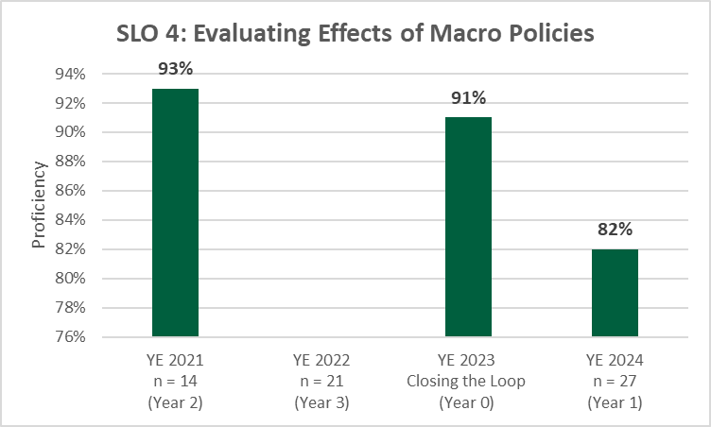

BSBA-ACC
Table 4.1 - Standard 4 Student Learning Assessment
Identified in Criterion 4.2 | Identified in Criterion 4.1 | Identified in Criterion 4.3 |  | Identified in Criterion 4.4 | Identified in Criterion 4.3
Approach | Deployment | Results | Analysis of Results | Improvement | Insert Graphs or Tables of Trends (3-5 data points) Report sample or population size n = #
Program Learning Objectives SLO1, SLO2, etc. | What is your measurement instrument or process? | What are your current results? | What did you learn from the results? | What did you improve or what is your next step?
 | (Indicate type of instrument) direct, formative, internal, external, comparative, and/or summative

Bachelor of Business Administration (BSBA): Accounting
CORE LEARNING OUTCOMES
CORE SLO: Accounting students will demonstrate a core knowledge and comprehension of the current business environment as well as the functional areas of business, and be able to apply and integrate this knowledge and skillset in order to interpret, analyze and solve problems from an organizational perspective. Measurable Goal: To score no more than 5 points lower than the average of SACS and ACBSP Region 3 averages, respectively, across topics of the CPCs. | Assessment Measure and Instrument: Peregrine Global Services administers the outbound exam for the UMO Tillman School of Business. The outbound exam is taken during the capstone course of each major. Type of Instrument: This assessment instrument is external, summative, and comparative. The BSBA: Accounting students take their outbound exams at the end of ACC 483: Accounting Research. | See the graph below. Accounting majors met the target of "no more than 5 points lower" than the average of SACS and ACBSP Region 3. However, they did score lower in the following areas: Compared to ACBSP Region 3 Leadership (1.1) Global (0.7) HR (0.4) Org Behavior (0.3) Marketing (3.0) Compared to SAC COC: Global (0.1) Law (0.7) Marketing (2.4) Marketing is the weakest area. | Accounting majors met the target of "no more than 5 points lower than" the SACS and ACBSP Region 3 averages. These results are not a surprise. Areas of weakness in faculty were Global, HR, Org Behavior, Marketing, and Law. | Mr. Waylon Woodall, CPA, MAC who has been the Assistant Dean since Jan 2024 is returning to faculty. UMO was supposed to hire an additional faculty in accounting when he assumed the position of Asst Dean; they did not. The number of internships and graduates with job placement has steadily increased. This is evidence of practical learning experiences provided by faculty and external partners. An active Accounting Society with monthly speakers, a Meet the Firms event with 3-5 outside firms recruiting on campus, and a VITA program that serves the community through completing more than 120 tax returns per year are all examples of successful endeavors with students. | See below.

Good
BSBA: ACCOUNTING MAJOR STUDENT LEARNING OUTCOMES (1, 2, & 3)
MAJOR SLO1: Accounting majors will master the use of the accounting language throughout the discipline. Examples include the terminology used in financial, managerial, nonprofit, cost and tax accounting, as well as auditing. Measurable Goal: Accounting majors are expected to achieve 85% proficiency on each exercise. Proficiency is measured by a rubric rating student on a scale of one to four. One being the lowest score and four being the highest. "Proficient" is defined as scoring a 3 or 4. | Assessment Measure and Instrument: The students are expected to complete Exercise 1-14 from chapter 1 of the textbook along with Exercise 2-6 from chapter 2. Exercise 1-14 tests student’s ability to identify basic accounting terms needed to evaluate and analyze accounting information. Exercise 2-6 then determine student’s ability to navigate the different functions of the accounting equation. Type of Instrument: This is a direct, formative, internal assessment that occurs in ACC 311, Intermediate Accounting. The assignment, chosen in Year 0 by the subject matter expert, is completed during the educational program. | 2021 (n = 50): 99% were proficient. 2021 was Year 3 of a 3-Year Assessment Cycle. 2022 - Year 0 of a 3-year Assessment Cycle Closing the Loop Report 2023 (n = 40): 87% were proficient. 2023 was Year 1 of a 3-year Assessment Cycle. 2024 (n = 20): 100% were proficient. 2024 was Year 2 of a 3-year Assessment Cycle. | The assignment used for assessment is not challenging enough. In the next assessment cycle, it will be adjusted. "Meet the Firms," a recruiting event during which regional firm representatives speak, has proven to be an informative time for students to exchange conversation using the accounting language to which this SLO refers. | Going forward, more comprehensive assignments will be utilized. The most important factor is to continue employing faculty with experience in the field to discuss and illustrate practical examples. The accounting degree program will continue to concentrate on real life scenarios that allow students hands on experience. The sample size for ACC 320 classes will be larger in 2024 -2025. Students will complete the problems in class to ensure they are completed without using the internet or input from other students. Online students will be limited in time. | 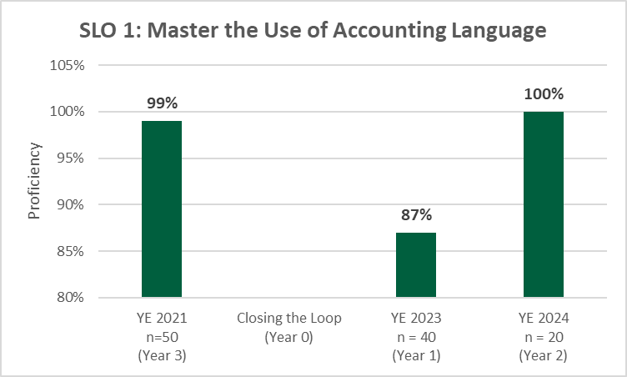
MAJOR SLO2: Accounting majors will be able to explain the major assumptions that describe Generally Accepted Accounting Principles (GAAP), such as those related to the reporting entity, going concern, period of time, monetary unit, and accrual accounting. Measurable Goal: Accounting majors are expected to achieve 70% proficiency on the assignment. Proficiency is measured by a rubric rating student on a scale of one to four. One being the lowest score and four being the highest. "Proficient" is defined as scoring a 3 or 4. | Assessment Measure and Instrument: The students are expected to complete a comprehensive tax problem demonstrating knowledge and skills necessary to complete a 1040 tax return. The assignment reflects students' ability to understand and apply tax knowledge of the Internal Revenue Service code to calculate tax income, minimize expenses, and remain in compliance with the United State Federal Government. Type of Instrument: This is a direct, formative, internal assessment that occurs in ACC 320, Individual Income Taxes. The assignment, chosen in Year 0 by the subject matter expert, is completed during the educational program. | 2021 (n = 36): 100% proficient 2021 was Year 3 of a 3-Year Assessment Cycle. 2022 - Year 0 of a 3-year Assessment Cycle Closing the Loop Report 2023 (n = 26): 85% (22 of 26) were proficient. 2023 was Year 1 of a 3-year Assessment Cycle. 2024 (n = 12): 81% (10 of 12) were proficient. 2024 was Year 2 of a 3-year Assessment Cycle. | The sample size for ACC 320 classes will be larger in 2024 -2025. Students will complete the problems in class to ensure they are completed without using the internet or input from other students. Online students will be limited in time. | During the spring semester, students are encouraged to participate in the Volunteer Income Tax Assistant (VITA) program. Encouragement can be bonus points in a course of credit through the internship class. The participation in the program is also essential to students remaining competent and successful tax practitioners. The sample size for ACC 320 classes will be larger in 2024 -2025. Students will complete the problems in class to ensure they are completed without using the internet or input from other students. Online students will be limited in time. | 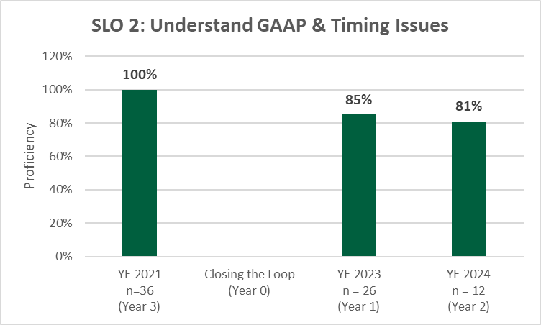
MAJOR SLO3: Accounting majors will demonstrate specific processes and skills applied in the field of accounting, such as completion of the accounting cycle, preparation of financial statements, drafting managerial accounting schedules, constructing budgets, organizing tax return information, and preparing audit reports. Measurable Goal: Accounting majors are expected to achieve 80% proficiency on each exercise. Proficiency is measured by a rubric rating student on a scale of one to four. One being the lowest score and four being the highest. "Proficient" is defined as scoring a 3 or 4. | Assessment Measure and Instrument: The assignment is a comprehensive problem that measures the ability to record financial transactions and generate reports in QuickBooks. This software is widely used throughout the accounting profession. Students who effectively use QuickBooks demonstrate the ability to transact, report, understand, and analyze financial information. Type of Instrument: This is a direct, formative, internal assessment that occurs in ACC 440, Accounting Information Systems. The assignment, chosen in Year 0 by the subject matter expert, is completed during the educational program. | 2021 (n=54): 79% proficient 2022 - Year 0 of a 3-year Assessment Cycle Closing the Loop Report 2023 (n=23): 91% (21 of 23) proficient 2023 was Year 1 of a 3-year Assessment Cycle. 2024 (n=18): 88% (16 of 18) proficient 2023 was Year 2 of a 3-year Assessment Cycle. | Effective teachers make a difference in learning and performance. The influence of practitioners can be seen through the teaching of ACC 440 - Accounting Information Systems. | The continued use of current accounting software is essential to student remaining proficient. Going forward, updating the textbook and software package will be a top priority of the accounting department. Including Microsoft Excel or other data analysis programs may be useful in preparing students for careers and remaining proficient. | 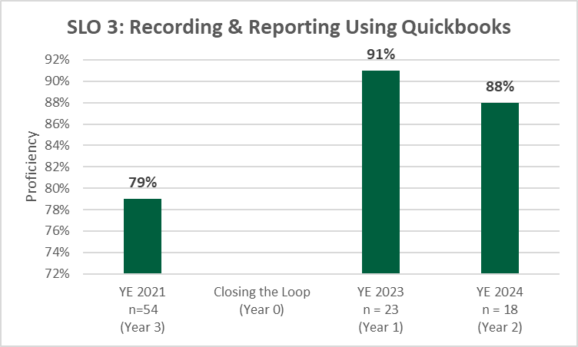

BSBA - FIN
Table 4.1 - Standard 4 Student Learning Assessment
Identified in Criterion 4.2 | Identified in Criterion 4.1 | Identified in Criterion 4.3 |  | Identified in Criterion 4.4 | Identified in Criterion 4.3
Approach | Deployment | Results | Analysis of Results | Improvement | Insert Graphs or Tables of Trends (3-5 data points) Report sample or population size n = #
Program Learning Objectives SLO1, SLO2, etc. | What is your measurement instrument or process? | What are your current results? | What did you learn from the results? | What did you improve or what is your next step?
 | (Indicate type of instrument) direct, formative, internal, external, comparative, and/or summative

BACHELOR OF SCIENCE IN BUSINESS ADMINISTRATION (BSBA): FINANCE
CORE LEARNING OUTCOMES
CORE SLO: Finance majors will demonstrate a core knowledge and comprehension of the current business environment as well as the functional areas of business, and be able to apply and integrate this knowledge and skillset in order to interpret, analyze and solve problems from an organizational perspective. Measurable Goal: To score no greater than 5 points less than the average of SACS and ACBSP Region 3 averages, respectively across topics of the CPCs. | Assessment Measure and Instrument: Peregrine Global Services administers the inbound and outbound exams for the UMO Tillman School of Business. The outbound exam is taken during the capstone course of each major. Type of Instrument: This assessment instrument is external, summative, and comparative. The Finance majors take their outbound exams at the end of FIN 450: Current Topics in Finance. | RESULTS AND ANALYSIS: Here is a pairwise comparison of inbound to outbound scores for 14 students on CPC CORE topics. Business Strategy, Finance and Marketing exhibited the largest percentage increase between inbound and outbound scores. Organizational Behavior had the lowest Inbound score (44.0) with a 53.1 percentage increase. The least improvement (smallest percentage change) was observed in the disciplines of Operations Management (43%) and Information Systems Management (32.2%). The BSBA: FINANCE degree is only offered in a daytime, seated format. The complexity of the coursework did not lend itself to the online environment. Finance majors outperformed their peers IN ALMOST EVERY CORE AREA, compared to the ACBSP Southeastern Region, as well as SACS COC aggregates. With one exception, Org Behavior in 2023, the other low scores were in 2022 with only 1 student taking the outbound exam. The first year of the program was 2020 and inbound exams were taken in the sophomore year, 2021. The comparison of UMO average outbound scores is more meaningful overall. UMO faculty can affect the progress of students and the end result; however, they cannot affect the inbound scores (foundational knowledge) with which students enter the program. IMPROVEMENT: Hire additional full-time, FINANCE faculty. |  | 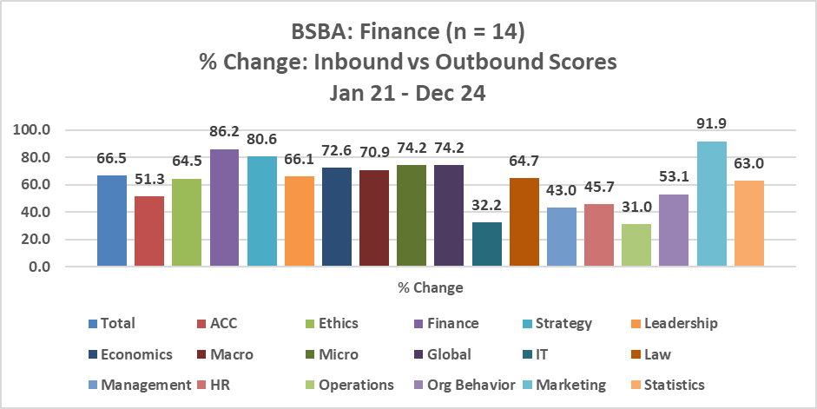
 | 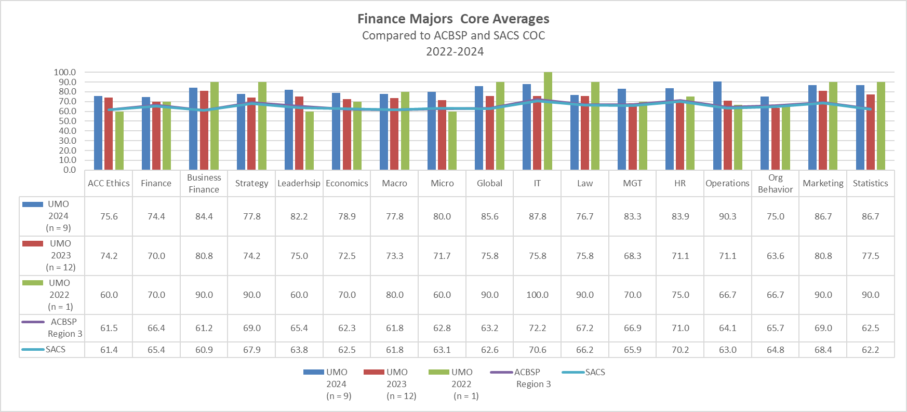
BSBA:FINANCE STUDENT LEARNING OUTCOMES (1, 2, & 4)
Approach | Deployment | Results | Analysis of Results | Improvement | Insert Graphs or Tables of Trends (3-5 data points) Report sample or population size n = #
Good
SLO1: FINANCE majors will master the use of the finance language throughout the discipline. Measurable Goal: At least 85% of students will receive a score of Proficient on a designated assignment using a standard rubric. The 85% threshold represents proficiency that is “above average” (or B+), a measure of quality that parallels Quality Matters (an industry leade | Assessment Measure and Instrument: Type of Instrument: The assessment assignment in FIN 340 is an investment simulation task in which students act as portfolio managers, researching securities, implementing a variety of trades, preparing and presenting an investment performance report. This assignment is direct, formative, and internal. FIN 340 is entitled Principles of Investments. Samples of student work are examined by two reviewers, and student performance evaluated via a standard rubric. Both reviewers are full-time faculty employed by the University of Mount Olive. | 2021 (n = 4) 4 of 4 (100% scored at the proficiency level. --> Target was met.) 2021 was Year 1 of a 3-Year Assessment Cycle. 2022 (n = 9) Seven of nine (77.8%) scored at the proficiency level. --> Target was not met. 2022 was Year 2 of a 3-Year Assessment Cycle. 2023 (n = 10) Eight of ten(80%) scored at the proficiency level. --> Target was not met. 2023 was Year 3 of a 3-Year Assessment Cycle. 2024 Planning occurs in Year 0. Changes are made to assignments and learning objectives, if needed. 2024 was Year 0 of a 3-Year Assessment Cycle. | Cumulatively, 87.5% of students demonstrated ability to use the finance language, so the 85% target was met. However, the target was not met in 2021-2022 or 2022-2023. | Moving forward, we will use more examples and more small assignments to provide the students with a platform where they can practice the finance language. | 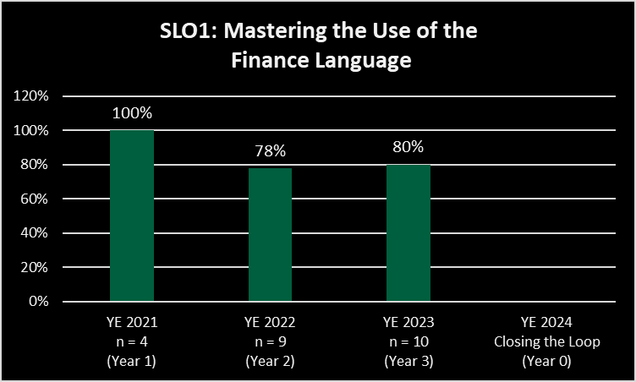
SLO2: FINANCE majors will apply quantitative techniques including CAPM, DCF, DDM, and relative valuation to value companies. Measurable Goal: At least 85% of students will receive a score of Proficient on a designated assignment using a standard rubric. The 85% threshold represents proficiency that is “above average” (or B+), a measure of quality that parallels Quality Matters (an industry leader in online course design). | Assessment Measure and Instrument: The assessment assignment in FIN 420 is a valuation of a publicly traded company. The students will apply quantitative and qualitative techniques to value the company and to make an investment recommendation. The major topics related to SLO2 tested on the Peregrine exam are also evaluated for this SLO. Type of Instrument: The assessment assignment is a direct, internal, and formative method of assessment. It was selected in Year 0 by the subject matter expert and required during the educational program in FIN 420: Security Analysis. The Peregrine results are external, summative, and comparative by year. Samples of student work are examined by two reviewers, and student performance evaluated via a standard rubric. Both reviewers are full-time faculty employed by the University of Mount Olive. | 2021 (n = 2) 2 of 2 (100% scored at the proficiency level. --> Target was met.) 2021 was Year 1 of a 3-Year Assessment Cycle. 2022 (n = 9) 9 of 9 (100%) scored at the proficiency level. --> Target was met. 2022 was Year 2 of a 3-Year Assessment Cycle. 2023 (n = 7) 10 of 10 (100%) scored at the proficiency level. --> Target was met. 2023 was Year 3 of a 3-Year Assessment Cycle. 2024 Planning occurs in Year 0. Changes are made to assignments and learning objectives, if needed. 2024 was Year 0 of a 3-Year Assessment Cycle. | 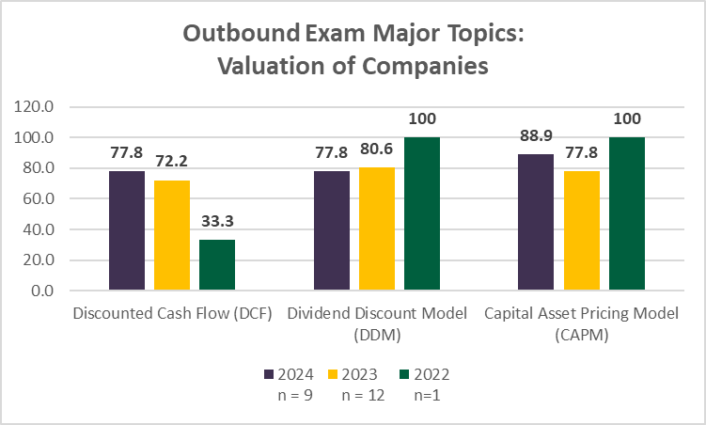 Analysis: The results show that 100% of finance students scored at the proficient level for SLO2. They demonstrated abilityto employ various valuations techniques to value publicly traded companies. Therefore, the plan is to continue to link the theoretical concepts of valuation to the practical applications. | Improvements: 1) Keep growing the program and number of majors. 2) Diversify faculty who teach the courses. 3) Incorporate practical applications. | 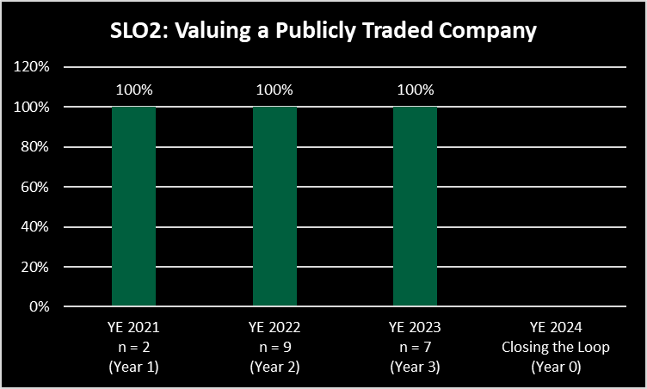
SLO4: FINANCE majors will utilize software and technology in solving finance problems Measurable Goal: At least 85% of students will receive a score of Proficient on a designated assignment using a standard rubric. The 85% threshold represents proficiency that is “above average” (or B+), a measure of quality that parallels Quality Matters (an industry leader in online course design). | Assessment Measure and Type of Instrument: The assessment assignment in FIN 440 requires students to construct, monitor, and evaluate a portfolio of mutual funds appropriate for a given investment policy statement, using excel spreadsheets. The major topics related to SLO4 tested on the Peregrine exam are also evaluated for this SLO. Type of Instrument: The assessment assignment in which a portfolio is evaluated is a direct, internal, and formative method of assessment. It was selected in Year 0 by the subject matter expert and required during the educational program in FIN 440: Portfolio Management. The Peregrine results are external, summative, and comparative by year. | 2021 (n = 4) 3 of 4 (75% scored at the proficiency level. --> Target was not met.) 2021 was Year 1 of a 3-Year Assessment Cycle. 2022 (n = 2) 2 of 2 (100%) scored at the proficiency level. --> Target was met. 2022 was Year 2 of a 3-Year Assessment Cycle. 2023 (n = 8) 8 of 8 (100%) scored at the proficiency level. --> Target was met. 2023 was Year 3 of a 3-Year Assessment Cycle. 2024 Planning occurs in Year 0. Changes are made to assignments and learning objectives, if needed. 2024 was Year 0 of a 3-Year Assessment Cycle. | Analysis: Overall, 92.5% of students earned a proficient grade and demonstrated ability to use excel spreadsheets to construct, monitor, and evaluate various portfolios. The plan is to continue to emphasize the importance of technology in the finance industry and we will strive to stay current on the technological advancements pertinent to the finance discipline. Improvements: 1) Keep growing the program and number of majors. 2) Diversify faculty who teach the courses. 3) Incorporate practical applications. | 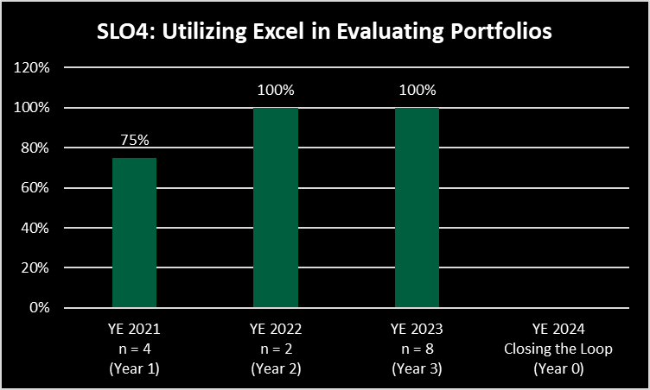 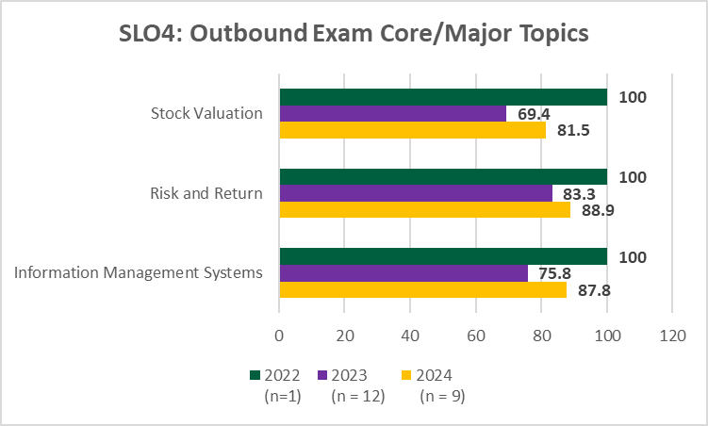

BSBA - HCM
Table 4.1 - Standard 4 Student Learning Assessment
Identified in Criterion 4.2 | Identified in Criterion 4.1 | Identified in Criterion 4.3 |  | Identified in Criterion 4.4 | Identified in Criterion 4.3
Approach | Deployment | Results | Analysis of Results | Improvement | Insert Graphs or Tables of Trends (3-5 data points) Report sample or population size n = #
Program Learning Objectives SLO1, SLO2, etc. | What is your measurement instrument or process? | What are your current results? | What did you learn from the results? | What did you improve or what is your next step?
 | (Indicate type of instrument) direct, formative, internal, external, comparative, and/or summative

Bachelor of Business Administration (BSBA): Healthcare Management
BSBA: HCM CORE LEARNING OUTCOMES
CORE SLO: HCM students will demonstrate a core knowledge and comprehension of the current business environment as well as the functional areas of business, and be able to apply and integrate this knowledge and skillset in order to interpret, analyze and solve problems from an organizational perspective. Measurable Goal: To score no more than 5 points lower than the average of SACS and ACBSP Region 3 averages, respectively, across topics of the CPCs. | Assessment Measure and Instrument: Peregrine Global Services administers the outbound exam for the UMO Tillman School of Business. The outbound exam is taken during the capstone course of each major. Type of Instrument: This assessment instrument is external, summative, and comparative. The BSBA: HCM students take their outbound exams at the end of HCM 410: Business Policy and Strategy in Healthcare. | See the graph below. With the exception of 2 out of 17 core component topics, the UMO HCM students outperformed their peers as compared to Region 3 ACBSP as well as SACS aggregate schools. The two disciplines in which HCM students scored lower than their aggregates where the following: 1) Business Ethics - 0.7 pts lower than ACBSP Region 3, and 2) Organizational Behavior - 0.3 points lower than Region 3. | HCM students scored higher than both aggregates in every discipline of the CPC core, except Business Ethics and Organizational Behavior. As a result, HCM students met the target of "no more than 5 points lower than" the SACS and ACBSP Region 3 averages. | The short-term goal (2nd QA report) is to score at least 75 on each CPC topic. At the time of the self-study (2030), the goal is at least 80, with 85 being the mark of excellence. Two disciplines had an average higher than 75: 1) Human Resource Management 2) Information Management Systems Management Two disciplines had an average higher than 70 and lower than 75: 1) Business Integration and Strategic Management 2) Marketing The plan is to hire additional faculty with expertise in HCM. | See below.

Good
BSBA: HEALTHCARE MANAGEMENT (HCM) MAJOR STUDENT LEARNING OUTCOMES (1, 4, & 5)
MAJOR SLO1: Healthcare Management (HCM) majors will develop the business and healthcare acumen needed to communicate effectively with other businesses and healthcare professionals. Measurable Goal: At least 85% of students will receive a score of Proficient on a designated assignment using a standard rubric. The 85% threshold represents proficiency that is “above average” (or B+), a measure of quality that parallels Quality Matters (an industry leader in online course design). | Assessment Measure and Instrument: The assessment assignment in HCM 300 is a research paper designed to demonstrate students’ ability to identify the unique attributes of the US Healthcare system and compare the US Healthcare system with healthcare systems of other countries by examining 5 domains: Care Process, Access, Administrative Efficiency, Type of Instrument: The research assignment is a direct, formative, and internal method of assessment. It is selected in Year 0 by the subject matter expert and required during the educational program in HCM 300: Introduction to the US Healthcare System. Samples of student work are examined by two reviewers, and student performance evaluated via a standard rubric. Both reviewers are full-time faculty employed by the University of Mount Olive. | 2021 (n = 50): 36 of 50 (72%) were proficient. 2021 was Year 3 of a 3-Year Assessment Cycle. 2022 Year 0 Assessment Plan revised and Closing the Loop Report submitted 2023 (n = 28) 24 of 28 (85.7%) were proficient. 2023 was Year 1 of a 3-year Assessment Cycle. 2024 (n = 31): 28 of 31 (90.3%) were proficient. 2024 was Year 2 of a 3-year Assessment Cycle. | The level of proficiency and positive trend demonstrated in HCM 300, with regard to business and healthcare acumen needed to communicate effectively in a variety of businesses, is a direct reflection of adequate instruction and capable students. | Two primary improvements will launch in Fall 2025. 1) new faculty, and 2) more applications throughout the HCM program. Even though HCM and business acumen are covered in an introductory course such as HCM 300, HCM majors need to understand the importance of knowing how to put knowledge in action. | 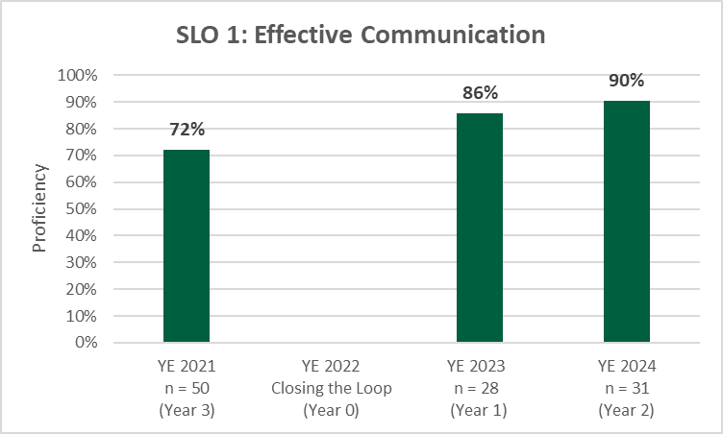
MAJOR SLO 4: HCM majors will develop the business and healthcare management skills needed to approach problems strategically. Measurable Goal: At least 85% of students will receive a score of Proficient on a designated assignment using a standard rubric. The 85% threshold represents proficiency that is “above average” (or B+), a measure of quality that parallels Quality Matters (an industry leader in online course design). | Assessment Measure and Instrument: This assessment assignment in HCM 410 is a lengthy strategic analysis paper targeting a student-selected healthcare organization. Students are charged with assessing the organization's current business strategies and position in the health care industry, evaluating the organization's strengths, weaknesses, opportunities and threats, and making suggestions for the organization to improve its business profile. Type of Instrument: The strategic analysis paper is a direct, summative, and internal method of assessment. It was selected in Year 0 by the subject matter expert and required during the educational program in HCM 410: Business Policy and Strategy in Healthcare. Samples of student work are examined by two reviewers, and student performance evaluated via a standard rubric. Both reviewers are full-time faculty employed by the University of Mount Olive. | 2021 (n = 24): 20 of 24 (83%) were proficient. 2021 was Year 3 of a 3-Year Assessment Cycle. 2022 Year 0 Assessment Plan revised and Closing the Loop Report submitted 2023 (n = 41) 32 of 41 (78%) were proficient. 2023 was Year 1 of a 3-year Assessment Cycle. 2024 (n = 28): 27 of 28 (96.4%) were proficient. 2024 was Year 2 of a 3-year Assessment Cycle. | Averages were below the specified "proficiency" level for 2021 and 2023, but increased to 96% in 2024. Strategy outbound major scores also followed a similar pattern. This trend is likely due to faculty that themselves were "proficient" in teaching the subject matter, a capstone course for the undergraduate HCM major. | Two primary improvements launched in Fall 2025. 1) new faculty, and 2) more applications in HCM 410. It is essential that students carry out projects and/or simulations that demonstrate the depth and breadth of strategy. | 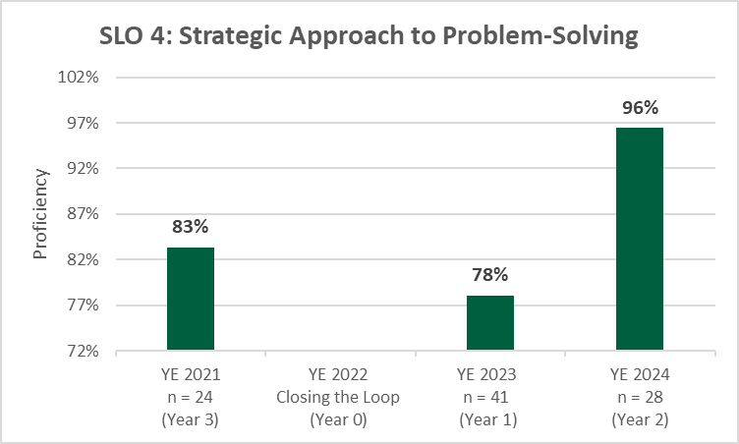
Approach | Deployment | Results | Analysis of Results | Improvement | Insert Graphs or Tables of Trends (3-5 data points) Report sample or population size n = #
MAJOR SLO 5: HCM majors will demonstrate expertise required to develop business models tailored to the healthcare industry. | Assessment Measure and Instrument: The assessment instrument is a test of major knowledge in the area of healthcare management. The test covers the following aspects of the HCM field: The Patient's Perspective The Community and the Environment Strategic Planning and Marketing Strategic Planning Quality Improvement Marketing Leadership Skills and Behavior HRM Healthcare Systems and Organizations Healthcare Systems and Organizations Health Care Personnel General Management Contributions to the Community and the Profession Communications Skills Communicating Vision Type of Instrument: The major exam is a summative, external, and comparative method of assessment. It was selected in Year 0 by the subject matter expert and required during the educational program in HCM 415: Information Systems, Assessment, Management, and Analysis | The HCM major areas that received the highest scores in 2024 (above 70) were Communication Skills, Contributions to the Community and Profession, Healthcare Systems and Organization, Leadership Skills, Marketing, Quality Improvement, The Community and the Environment. In 2024, the lowest score was in The Patient's Perspective. The lowest average of 4-year scores was in the area of Quality Improvement. Other averages ranged from 62 to 68. | The trend is positive. Between 2021 and 2022, the average of 9 different major areas decreased; between 2022 and 2023, the average of 6 different major areas decreased; finally, between 2023 and 2024, the average of 2 different major areas decreased. In 2024, averages of 9 of 14 topics were higher than any other year - 2021, 2022, or 2023. The specific analysis here is a longitudinal report, a comparative instrument with data accumulated over time. | 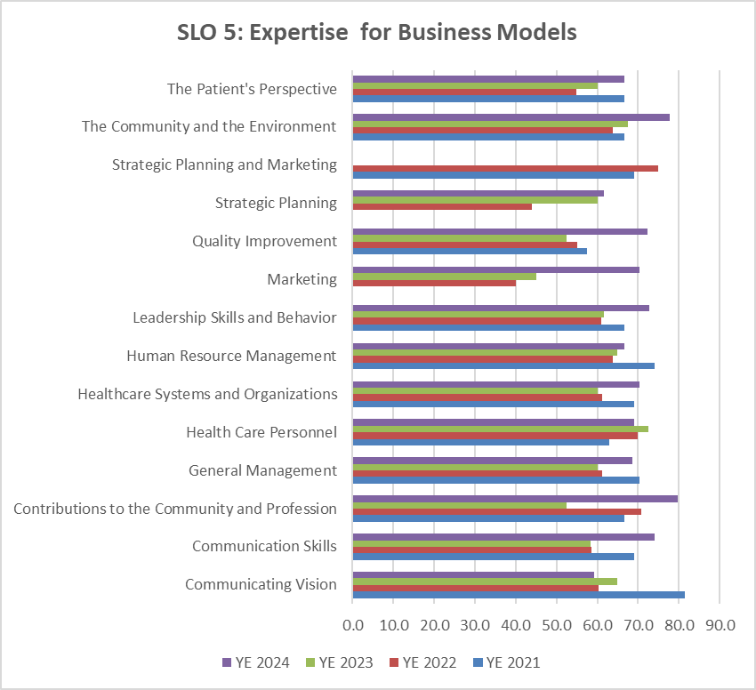 The primary improvement required for the HCM major is a full-time faculty. UMO has excellent adjunct and "allied" faculty who assume ownership with this program. However, they all work a full-time job and UMO is their secondary employer. The HCM faculty position is listed. At least four individuals have been interviewed. However, salary and location have been deterrents. The ground is fertile in eastern NC for HCM hires who have a strong business background and foundation for healthcare.

BSBA - HRM
Table 4.1 - Standard 4 Student Learning Assessment
Identified in Criterion 4.2 | Identified in Criterion 4.1 | Identified in Criterion 4.3 |  | Identified in Criterion 4.4 | Identified in Criterion 4.3
Approach | Deployment | Results | Analysis of Results | Improvement | Insert Graphs or Tables of Trends (3-5 data points) Report sample or population size n = #
Program Learning Objectives SLO1, SLO2, etc. | What is your measurement instrument or process? | What are your current results? | What did you learn from the results? | What did you improve or what is your next step?
 | (Indicate type of instrument) direct, formative, internal, external, comparative, and/or summative

BACHELOR OF SCIENCE IN BUSINESS ADMINISTRATION (BSBA): HUMAN RESOURCE MANAGEMENT (HRM)
CORE LEARNING OUTCOMES
CORE SLO: HRM students will demonstrate a core knowledge and comprehension of the current business environment as well as the functional areas of business, and be able to apply and integrate this knowledge and skillset in order to interpret, analyze and solve problems from an organizational perspective. Measurable Goal: To score no greater than 5 points less than the average of SACS and ACBSP Region 3 averages, respectively across topics of the CPCs. | Assessment Measure and Instrument: Peregrine Global Services administers the outbound exam for the UMO Tillman School of Business. The outbound exam is taken during the capstone course of each major. Type of Instrument: This assessment instrument is external, summative, and comparative. The HRM students take their outbound exams at the end of HRM 491: Advanced Seminar in Human Resource Management. | RESULTS AND ANALYSIS: Here is a pairwise comparison of inbound to outbound scores for 28 students on CPC CORE topics. Business Strategy and Quantitative Techniques exhibited the largest percentage increase between inbound and outbound scores. However, Quantitative Techniques also had the lowest Inbound score (39.3). The least improvement (smallest percentage change) was observed in the disciplines of Global Dimensions of Business with an inbound score of 48.3, and Organizational Behavior with an inbound score of 46.7, while outbound scores were 67.5 and 75.3, respectively. The HRM traditional (daytime/seated) degree was suspended in 2022. The major courses are currently offered only online. Yet, students outperformed their peers IN EVERY CORE AREA, compared to the ACBSP Southeastern Region, as well as SACS COC aggregates. The comparison of UMO average outbound scores is more meaningful overall. UMO faculty can affect the progress of students and the end result; however, they cannot affect the inbound scores (foundational knowledge) with which students enter the program. IMPROVEMENT: Hire additional full-time, HR-experienced faculty. |  | 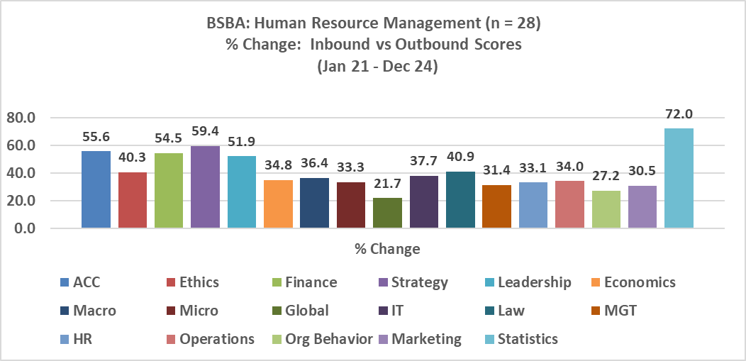

Good
BSBA: HUMAN RESOURCE MANAGEMENT STUDENT LEARNING OUTCOMES (1, 2, & 4)
Approach | Deployment | Results | Analysis of Results | Improvement | Insert Graphs or Tables of Trends (3-5 data points) Report sample or population size n = #
SLO3: HRM majors practice effective communication skills for both internal and external constituents of business organizations and use the history of labor relations to interpret employment law in a manner that employees and staff can apply it in the workplace. Measurable Goal: At least 85% of students will receive a score of Proficient on a designated assignment using a standard rubric. The 85% threshold represents proficiency that is “above average” (or B+), a measure of quality that parallels Quality Matters (an industry leader in online course design). | Assessment Measure and Instrument: Type of Instrument: The assessment assignment in HRM 430 is an individual article review, analysis and presentation of topics related to labor relations, i.e., group dynamics, conflict resolution, negotiation, collective bargaining, or OSHA guidelines. This assignment is direct, formative, and internal. HRM 430 is entitled Labor Relations. Samples of student work are examined by two reviewers, and student performance evaluated via a standard rubric. Both reviewers are full-time faculty employed by the University of Mount Olive. | 2021 (n=32) Only 18 of 32 (62.1% scored at the proficiency level. --> Target was not met.). 2021 was Year 3 of a 3-Year Assessment Cycle. 2022 Planning occurs in Year 0, Changes are made to assignments and learning objectives, if needed. 2022 was Year 0 of a 3-Year Assessment Cycle. 2023 (n = 8) Eight of eight (100%) scored at the proficiency level. --> Target was met. 2023 was Year 1 of a 3-Year Assessment Cycle. 2024 (n = 12) Only eight of twelve (66.7%) scored at the proficiency level. --> Target was not met. 2024 was Year 2 of a 3-year Assessment Cycle. | Instruction was not consistent throughout the assessment cycle. In each year, a different faculty was responsible for evaluation of the assignment: Year 1 - L Langston year 2 - A Majeskey Year 3 - D Hill, G Aycock, K Storey Consistency in regard to oversight and a subject matter expert are necessary. | Assignment will be more clearly defined. Faculty will review students’ work throughout the steps of completing the project. Consistency will improve with hiring a subject matter expert, an allied faculty. | 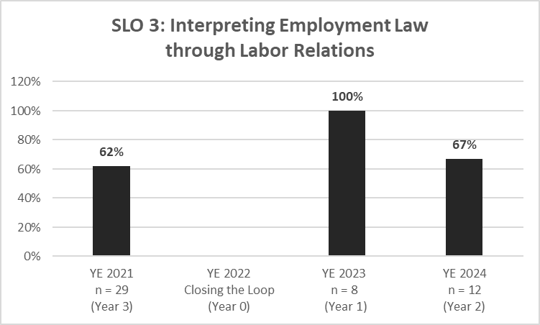
SLO 2: Applying Practical HR Skills
YE 2021 n = 32 (Year 3) | 0.875
YE 2022 Closing the Loop (Year 0)
YE 2023 n = 9 (Year 1) | 0.44444444444
YE 2024 n = 11 (Year 2) | 0.90909090909
SLO2: HRM majors will examine the theoretical and practical perspectives of motivation, individual and small group behavior, and overall organizational effectiveness, and apply skills learned to various situations involving people management. Measurable Goal: At least 85% of students will receive a score of Proficient on a designated assignment using a standard rubric. The 85% threshold represents proficiency that is “above average” (or B+), a measure of quality that parallels Quality Matters (an industry leader in online course design). | Assessment Measure and Instrument: The assessment assignment in HRM 425 is a team project that includes researching and advocating for health benefits and/or retirement plan benefits (i.e., compensation packages) in an organization. The assignment includes a project, short paper, and presentation. Type of Instrument: The team project assignment is a direct, internal, and formative method of assessment. It was selected in Year 0 by the subject matter expert and required during the educational program in HRM 425: Compensation Management. Samples of student work are examined by two reviewers, and student performance evaluated via a standard rubric. Both reviewers are full-time faculty employed by the University of Mount Olive. | 2021 (n=32) Met the desired level of proficiency with 28 of 32 (87.5%). 2021 was Year 3 of a 3-Year Assessment Cycle. 2022 Planning occurs in Year 0, Changes are made to assignments and learning objectives, if needed. 2022 was Year 0 of a 3-Year Assessment Cycle. 2023 (n = 9) Four of nine (44.4%) scored at the proficiency level. 2023 was Year 1 of a 3-Year Assessment Cycle. 2024 (n = 11) Ten of eleven (90.9%) scored at the proficiency level. 2024 was Year 2 of a 3-year Assessment Cycle. | Analysis: The last two year, HRM has lacked ownership in the form of a full-time faculty who is a subject-matter expert in the field. That problem has a temporary fix in an allied faculty position assumed by a qualified, credentialed individual. This person has re-designed courses and worked to guarantee quality in the online environment, as least as it relates to HRM. | Improvements: Work with faculty assigned to this course to 1) ensure that they understand how best to instruct students on this assignment and 2)evaluate their work, as a result. Students need to clearly understand the assignment and receive appropriate feedback as they work through the project. 3)Faculty must be sure to address any team concerns involving responsibility and work ethic of individuals. Finally, an allied faculty has been hired to take responsibility for the program, ensure consistency across assessment assignments, and act as the subject matter expert for the Universal Course Design Templates in the HRM major.
SLO5: HRM majors will demonstrate foundational knowledge that allows one to adequately plan an effective strategy for the operation of an efficient human resource department within a business organization. Measurable Goal: The target for this external, summative exam is an average score of 75 or higher on each Advanced HRM Topical group: 1 through 5. SEE BELOW FOR HRM TOPIC AREAS. | Assessment Measure and Type of Instrument: The external, comparative, summative assessment is a comprehensive exam administered by Peregrine. It requires students to directly demonstrate their knowledge and skills by taking a standardized test administered by an outside entity, providing tangible evidence of their learning. This exam is administered each year to HRM majors in their capstone course - HRM 491. This summative assessment measure was selected in Year 0 by the subject matter expert and required at the end of a student's educational program. | 2021 (n=18) Met target of 75 or higher in Topics I, III, and IV. 2021 was Year 3 of a 3-Year Assessment Cycle. 2022 (n = 23) Did not meet target of 75 or higher in any year, 2021-2024. 2022 was Year 0 of a 3-Year Assessment Cycle. 2023 (n = 12) Met target of 75 or higher in Topics I and III. 2023 was Year 1 of a 3-Year Assessment Cycle. 2024 (n = 17) Met target of 75 or higher in Topic I 2024 was Year 2 of a 3-year Assessment Cycle. | Analysis: With respect to year averages, the year ending (YE) 2024, had the lowest average in advanced topics: 65. YE 2021 averaged 74. YE 2022 averaged 67. YE 2023 averaged 70. Recommended Improvement: HIRE A FULL-TIME FACULTY WITH EXPERIENCE IN HRM. | 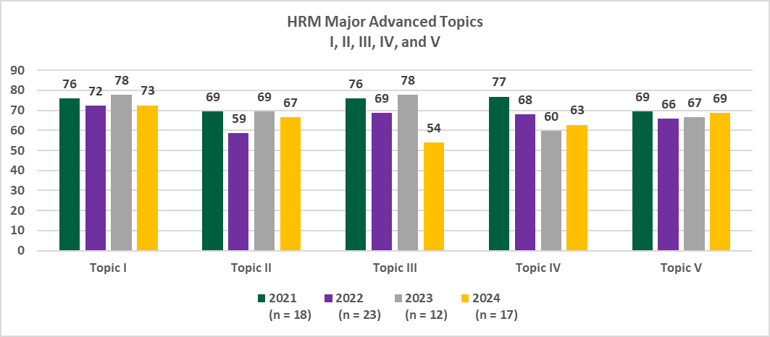
HRM Adv Topic I | HRM Adv Topic II | HRM Adv Topic III | HRM Adv Topic IV | HRM Adv Topic V
1. Appraising and Improving Performance | 1. Conducting Performance Management | 1. Employee Benefits | 1. Diversity Training | 1. Collective Bargaining
2. Developing a Competitive Workforce | 2. Employee Selection | 2. Pay Structure Decisions | 2. Ensuring Fair Treatment and Legal Compliance | 2. High-Performance Work Systems
3. Employee Development | 3. Employee Separation and Retention | 3. Providing Benefits and Services | 3. Equal Employment Opportunity | 3. HR Planning for Alignment and Change
4. Employee Training | 4. Job Analysis, Employee Involvement, and Flexible Work Schedules | 4. Recognizing Employee Contributions with Pay | 4. Promoting Workplace Safety and Health | 4. International Human Resources Management
5. Performance Management and Appraisal | 5. Recruitment and Careers | 5. Total Compensation Approaches | 5. Risk Management and Employee Relations | 5. Managing Human Resources Globally
 | 6. Staffing | 6. Using Performance-Based Pay to Achieve Strategic Objectives |  | 6. Strategically Managing the HRM Function
 | 7. Using Job Analysis and Competency Modeling | 7. Variable Pay and Benefits |  | 7. Understanding Unionization

BSBA-MGT
Table 4.1 - Standard 4 Student Learning Assessment
Identified in Criterion 4.2 | Identified in Criterion 4.1 | Identified in Criterion 4.3 |  | Identified in Criterion 4.4 | Identified in Criterion 4.3
Approach | Deployment | Results | Analysis of Results | Improvement | Insert Graphs or Tables of Trends (3-5 data points) Report sample or population size n = #
Program Learning Objectives SLO1, SLO2, etc. | What is your measurement instrument or process? | What are your current results? | What did you learn from the results? | What did you improve or what is your next step?
 | (Indicate type of instrument) direct, formative, internal, external, comparative, and/or summative

BACHELOR OF BUSINESS ADMINISTRATION (BSBA): MANAGEMENT
CORE LEARNING OUTCOMES
CORE SLO: BSBA: Management students will demonstrate a core knowledge and comprehension of the current business environment as well as the functional areas of business, and be able to apply and integrate this knowledge and skillset in order to interpret, analyze and solve problems from an organizational perspective. Measurable Goal: To score no greater than 5 points less than the average of SACS and ACBSP Region 3 averages, respectively across topics of the CPCs. | Assessment Measure and Instrument: Peregrine Global Services administers the outbound exam for the UMO Tillman School of Business. The outbound exam is taken during the capstone course of each major. Type of Instrument: This assessment instrument is external, summative, and comparative. The BSBA: Management students take their outbound exams at the end of BUS 410: Business Policy and Strategy. | See the graph below. The UMO BSBA: Management students outperformed in all areas Region 3 ACBSP as well as SACS aggregate schools. | BSBA: Management students scored higher than both aggregates in every discipline of the CPC core. BSBA: Management students scored 5 or more points higher in all disciplines than both Region 3 and SACS, with the exception of Microeconomics and HRM which were both still above averages, but less than 5 points higher. | The short-term goal (2nd QA report) is to score at least 75 on each CPC topic. At the time of the self-study (2030), the goal is at least 80, with 85 being the mark of excellence. All but 3 areas had an average higher than 70: 1) Business Finance 2) Economics 3) Microeconomics | See below.

Good
BSBA: MANAGEMENT MAJOR STUDENT LEARNING OUTCOMES (2, 3, & 5)
MAJOR SLO 2: Management majors will demonstrate the ability to assess and develop a firm’s human resource policies. Measurable Goal: At least 85% of students will receive a score of Proficient on a designated assignment using a standard rubric. The 85% threshold represents proficiency that is “above average” (or B+), a measure of quality that parallels Quality Matters (an industry leader in online course design). | Assessment Measure and Instrument: The direct assessment assignment in HRM 440 is an Employment Law Case Study. Individual students will conduct legal research and develop a case analysis on topics such as legal construction of the employment environment, race and disability discrimination. Type of Instrument: The research assignment is a direct, comparative (online vs seated), formative method of assessment. It is selected in Year 0 by the subject matter expert and required during the educational program in HRM 440: Employment Law Samples of student work are examined by two reviewers, and student performance evaluated via a standard rubric. Both reviewers are full-time faculty employed by the University of Mount Olive. | 2021 Seated: 15 of 20 (75%) Online: 20 of 23 (87%) 2021 was Year 3 of a 3-Year Assessment Cycle. 2022 - Year 0 Assessment Plan revised and Closing the Loop Report submitted 2023 Seated: 17 of 20 (85%) Online: 7 of 7 (100%) 2023 was Year 1 of a 3-Year Assessment Cycle. 2024 Seated: 21 of 23 (91.3%) Online: 14 of 15 (93.3%) 2024 was Year 2 of a 3-year Assessment Cycle. | The level of proficiency demonstrated in HRM 440 through the employment law case study was consistently 85% or above. The required research on human resource policies and their integration into and influence on business decision-making proved to be beneficial and meet the student learning outcome. | The results exceeded the performance goal of 85.0% proficiency in each year. No program changes were made as a result of this specific assessment. The lower level of proficiency (75%) in the 2021 seated class during the COVID period was recognized. This class was forced to be hybrid which was less than an ideal situation for traditional daytime students. | 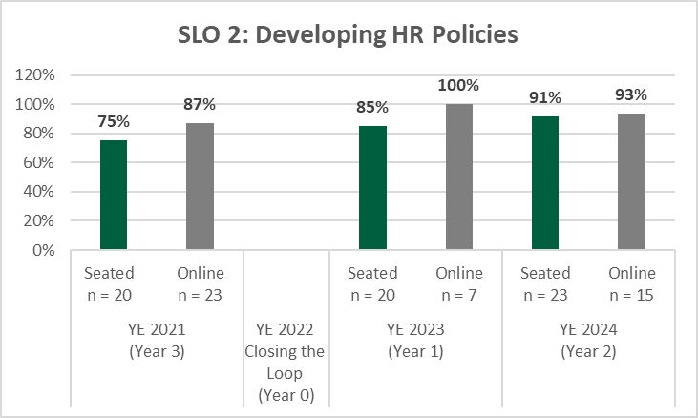
MAJOR SLO 3: Management majors will practice research skills necessary to gain an understanding of a firm’s external environment, including the economy, markets, and competitive global industries. Measurable Goal: At least 85% of students will receive a score of Proficient on a designated assignment using a standard rubric. The 85% threshold represents proficiency that is “above average” (or B+), a measure of quality that parallels Quality Matters (an industry leader in online course design). | Assessment Measure and Instrument:The assessment assignment in MGT 345: Operations and Supply Chain Management is the culmination of five 3D, interactive, game-based simulations that help students learn about operations management by assuming the role of an operations manager. Students gain hands-on experience of various facets of operations management.The final module involves opening a "New Branch" that each student is to start and operate. Key performance indicators (KPIs) are produced that indicate whether the module's goals were met. Type of Instrument: The case study is a direct, formative, comparative, and internal method of assessment. It was selected in Year 0 by the subject matter expert and required during the educational program. | 2021 Seated: 12 of 19 (63%) Online: 22 of 39 (58%) 2021 was Year 3 of a 3-Year Assessment Cycle. 2022 - Year 0 Assessment Plan revised and Closing the Loop Report submitted 2023 Seated: 18 of 20 (90%) Online: 14 of 15 (93%) 2023 was Year 1 of a 3-Year Assessment Cycle. 2024 Seated: 18 of 19 (95%) Online: 14 of 14 (100%) 2024 was Year 2 of a 3-year Assessment Cycle. | The level of proficiency demonstrated in MGT 345 through the interactive simulation assignment was consistently 85% or above in YE 2023 and 2024. The required hands-on experience of various facets required in opening a "New Branch" proved to be beneficial and allowed students to meet the learning outcome of gaingin an understanding of a firm's external environment - economy, markets, and global industries. | The results exceeded the performance goal of 85.0% proficiency in each year. No program changes were made as a result of this specific assessment. The lower level of proficiency in the seated and online modalities in the 2021 COVID period was recognized. T Further reviews to address the performance of students during 2021 was warranted. The areas below are the areas in which students consistently scored below the benchmark goal. Determine strategic capacity Optimize an assembly line Create a production plan with constant workforce Compute project assessment measures Calculate queue information Determine critical path and project time Create a plan for exact production | 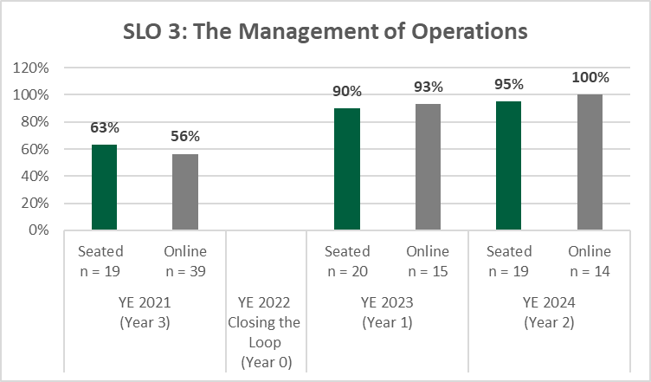
MAJOR SLO 5: BSBA: Management majors will utilize software and technology in solving business problems. Measurable Goal: At least 85% of students will receive a score of Proficient on a designated assignment using a standard rubric. The 85% threshold represents proficiency that is “above average” (or B+), a measure of quality that parallels Quality Matters (an industry leader in online course design). | Assessment Measure and Instrument: The assessment assignment in MIS 347 is a group or individual task to research and develop a case report on a company that employs social media marketing (SMM) for a social media business strategy. Type of Instrument: This case report is a direct, formative, comparative, internal means of assessment. It was selected in Year 0 by the subject matter expert and required during the educational program in MIS 347: Social Media and Marketing. Samples of student work are examined by two reviewers, and student performance evaluated via a standard rubric. Both reviewers are full-time faculty employed by the University of Mount Olive. | 2021 Seated: 23 of 23 (100%) Online: 17 of 17 (100%) 2021 was Year 3 of a 3-Year Assessment Cycle. 2022 - Year 0 Assessment Plan revised and Closing the Loop Report submitted 2023 Seated: 47 of 52 (90%) Online: 34 of 40 (85%) 2023 was Year 1 of a 3-Year Assessment Cycle. 2024 Seated: 23 of 23 (100%) Online: not offered online 2024 was Year 2 of a 3-year Assessment Cycle. | The students exceeded the expectation for proficiency in academic years 2021. The assessment assignment and course were re-evaluated to be certain that the instrument and course "best fit" the SLO. | After review of the assessment assignment in MIS 347, the decision was made to use another course, in addition, to assess the student learning objective, CIS 322 - Spreadsheet Modeling for Decision Making. Specifically, the assessment assignment in this course entails students completing a report for the executive management team. The report includes reporting the quarterly net income for multiple business models and business territories. It requires use of the following Excel functions: IF Statement, VLOOKUP function, ADD function, AUTO SUM function, PivotTables, DRAG & DROP function, REMOVE DUPLICATES Function, Copy and Input Tables, COPY & PASTE functions, Cell References, and CONDITIONAL FORMATTING function. | 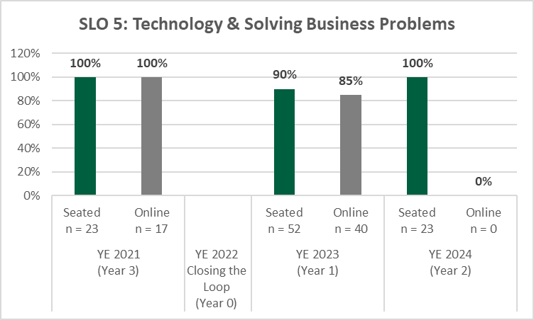

BSBA - MKT
Table 4.1 - Standard 4 Student Learning Assessment
Identified in Criterion 4.2 | Identified in Criterion 4.1 | Identified in Criterion 4.3 |  | Identified in Criterion 4.4 | Identified in Criterion 4.3
Approach | Deployment | Results | Analysis of Results | Improvement | Insert Graphs or Tables of Trends (3-5 data points) Report sample or population size n = #
Program Learning Objectives SLO1, SLO2, etc. | What is your measurement instrument or process? | What are your current results? | What did you learn from the results? | What did you improve or what is your next step?
 | (Indicate type of instrument) direct, formative, internal, external, comparative, and/or summative

BACHELOR OF SCIENCE IN BUSINESS ADMINISTRATION (BSBA): MARKETING
CORE LEARNING OUTCOMES
CORE SLO: Marketing majors will demonstrate a core knowledge and comprehension of the current business environment as well as the functional areas of business, and be able to apply and integrate this knowledge and skillset in order to interpret, analyze and solve problems from an organizational perspective. Measurable Goal: To score no greater than 5 points less than the average of SACS and ACBSP Region 3 averages, respectively across topics of the CPCs. | Assessment Measure and Instrument: Peregrine Global Services administers the inbound and outbound exams for the UMO Tillman School of Business. The outbound exam is taken during the capstone course of each major. Type of Instrument: This assessment instrument is external, summative, and comparative. The Marketing majors take their outbound exams at the end of MKT 420: Marketing Problems and Strategy. RESULTS AND ANALYSIS: | RESULTS AND ANALYSIS: |  | First consider the graph below: Marketing Majors' CPC Outbound Scores. At this time, we have 2 years of assessment with Peregrine. At first look, the difference between scores of 2024 and 2023 was startling. The subject matter expert for Marketing has already been sent the exam results and is currently working on a plan to manage the exam administration. With nine (9) seniors who took the outbound exam in 2024, there were four (4) core areas in which students scored below the target (more than 5 points less than either SACS or ACBSP averages). These disciplines were the following: Accounting, Finance, Strategy, and Operations Management. Of the nine students who took the outbound exam, two (2) of them spent less than 30 minutes on it. Without their scores included in the average, the respective means per topic were significantly higher. The average in Accounting alone increased by eight (8) percentage points. Next consider the analysis at the left. While the averages of major marketing topics is significantly less in 2024, as compared to 2023, a notable part of that difference was due to the two (2) students who took less than 30 minutes to take the outbound exam. That said, low scores were achieved in Marketing Plans, Pricing Concepts, Customer Evaluations, and Services and Nonprofit Organization Marketing. The highest score was in Segmenting and Targeting. In conclusion...The assessment cycle is crucial here. It is too earlier to draw conclusions. However, it is important to seriously consider the management and administration of the inbound and outbound exams to make certain the outcomes are as meaningful as we need for them to me.
 |  |  | 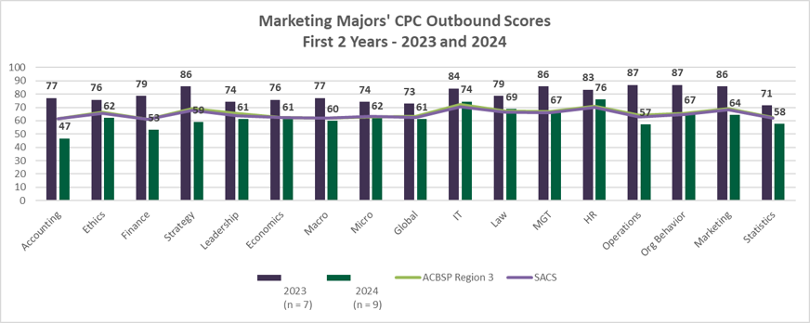
BSBA: MARKETING STUDENT LEARNING OUTCOMES (2, 3, & 4)
Approach | Deployment | Results | Analysis of Results | Improvement | Insert Graphs or Tables of Trends (3-5 data points) Report sample or population size n = #
Good
SLO2: MARKETING majors will demonstrate the ability to identify target markets (target customers, collaborators, competitors, company, and context) to create value. Measurable Goal: At least 85% of students will receive a score of Proficient on a designated assignment using a standard rubric. The 85% threshold represents proficiency that is “above average” (or B+), a measure of quality that parallels Quality Matters (an industry leader in online course design). | Assessment Measure: The assessment assignment in MKT 358 is a written case study in Week #6: Case 5.1. Akamai Corporation: Developing Sales Forecasts. The Akamai Corporation is a diversified producer of performance chemicals for the petroleum industry. This assignment involves forecasting sales for each of these three divisions based on their sales data and market conditions. Type of Instrument: This assignment is direct, formative, and internal. MKT 358 is entitled "Sales Management." Samples of student work are examined by two reviewers, and student performance evaluated via a standard rubric. Both reviewers are full-time faculty employed by the University of Mount Olive. | • 2021-2022: Seated (n=8): 8/8 reached the threshold, 100%. Target met. 2022 was Year 1 of a 3-Year Assessment Cycle. • 2022-2023: Seated (n=11): 11/11 reached the threshold, 100%. Target met. 2023 was Year 2 of a 3-Year Assessment Cycle. • 2023-2024: Online (n=8): 7/8 reached the threshold, 87.5%. Target met. 2024 was Year 3 of a 3-Year Assessment Cycle. •2024-2025: Year 0 | • A rough estimate using the average is possible, but more data and sophisticated methods are needed for accurate predictions. | • UMO has implemented enhanced quality instruction in syllabi and the Learning Management System Moodle, aiming to improve the overall instructional experience and student performance. • Marketing instructors will continue to use engaging case studies and multimedia-enhanced instructional resources to motivate students and enhance their performance. • Given that outcomes have exceeded expectations, no changes are planned for Year 0 of the next assessment cycle. However, Subject Matter Experts (SMEs) will keep a close watch on textbook updates to ensure that assessment assignments stay up to date. | 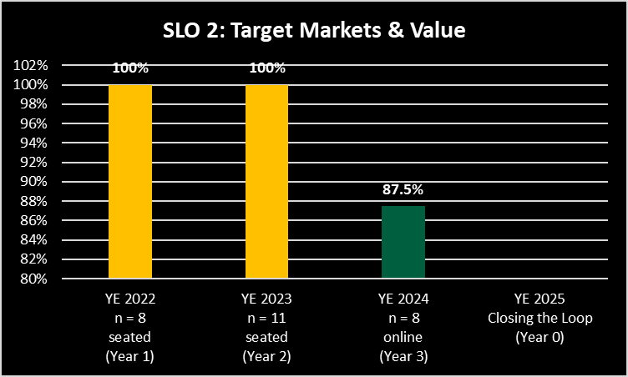
SLO3: MARKETING majors will demonstrate the ability to develop a marketing strategy by specifying a superior value proposition (and positioning) for target customers, the company, and its collaborators. Measurable Goal: At least 85% of students will receive a score of Proficient on a designated assignment using a standard rubric. The 85% threshold represents proficiency that is “above average” (or B+), a measure of quality that parallels Quality Matters (an industry leader in online course design). | Assessment Measure: The assessment assignment in MKT 352 is a written case study Assignment Week #5: Case 3-2. Repositioning McDonald's. The assignment includes identifying how McDonald’s has changed in its market position to offer best value to its customers by considering the changing competitive environment and changes in market preferences. Type of Instrument: The assessment assignment is a direct, internal, and formative method of assessment. It was selected in Year 0 by the subject matter expert and required during the educational program in MKT 352: Consumer Behavior. Samples of student work are examined by two reviewers, and student performance evaluated via a standard rubric. | • 2021-2022: Seated (n=9): 9/9 reached the threshold, 100%. Target met. 2022 was Year 1 of a 3-Year Assessment Cycle. • 2022-2023: Seated (n=17): 15/17 reached the threshold, 88.2%. Target met. 2023 was Year 2 of a 3-Year Assessment Cycle. • 2023-2024: Online (n=8): 8/8 reached the threshold, 100%. Target met. 2024 was Year 3 of a 3-Year Assessment Cycle. •2024-2025: Year 0 | Analysis: • A rough estimate using the average is possible, but more data and sophisticated methods are needed for accurate predictions. | Improvements: • UMO has implemented enhanced quality instruction in syllabi and the Learning Management System Moodle, aiming to improve the overall instructional experience and student performance. • Marketing instructors will continue to use engaging case studies and multimedia-enhanced instructional resources to motivate students and enhance their performance. • Given that outcomes have exceeded expectations, no changes are planned for Year 0 of the next assessment cycle. However, Subject Matter Experts (SMEs) will keep a close watch on textbook updates to ensure that assessment assignments stay up to date. | 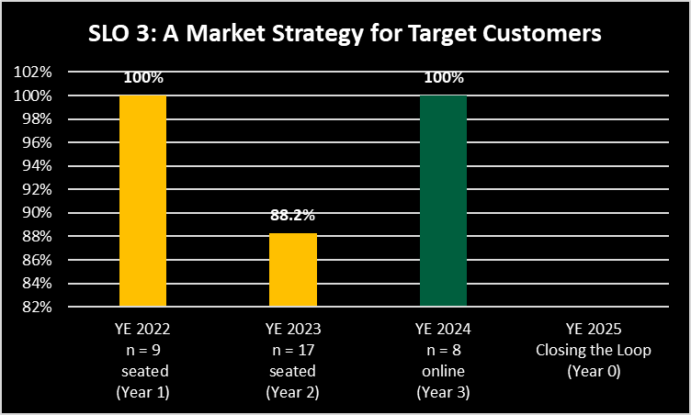
SLO4: MARKETING majors will demonstrate the ability to develop marketing tactics by specifying the market offering (product, service, brand, price, incentives, communication, and distribution) to design, communicate, deliver, and exchange value. Measurable Goal: At least 85% of students will receive a score of Proficient on a designated assignment using a standard rubric. The 85% threshold represents proficiency that is “above average” (or B+), a measure of quality that parallels Quality Matters (an industry leader in online course design). | Assessment Measure: The assessment assignment in MKT 405 is a written case analysis Assignment in Week #8: Video Case on Developing New Products at Domino’s (Chapter 8). The assignment concerns a new product development process and factors that a company must consider to introduce successful new products. Type of Instrument: The assessment assignment in which a portfolio is evaluated is a direct, internal, comparative, and formative method of assessment. It was selected in Year 0 by the subject matter expert and required during the educational program in MKT 405: Marketing Management. | • 2021-2022: Seated (n=5): 5/5 reached the threshold, 100%. Target met. Online (n=4): 3/4 reached the threshold, 75%. Target was not met. Overall, 89% of the students reached the goal. 2022 was Year 1 of a 3-Year Assessment Cycle. • 2022-2023: Seated (n=8): 8/8 reached the threshold, 100%. Target met. 2023 was Year 2 of a 3-Year Assessment Cycle. • 2023-2024: Online (n=5): 5/5 reached the threshold, 100%. Target met. Seated (n=12): 12/12 reached the threshold, 100%. Target met. 2024 was Year 3 of a 3-Year Assessment Cycle. •2024-2025: Year 0 | Analysis: • A rough estimate using the average is possible, but more data and sophisticated methods are needed for accurate predictions. | Improvements: • UMO has implemented enhanced quality instruction in syllabi and the Learning Management System Moodle, aiming to improve the overall instructional experience and student performance. • Marketing instructors will continue to use engaging case studies and multimedia-enhanced instructional resources to motivate students and enhance their performance. • Given that outcomes have exceeded expectations, no changes are planned for Year 0 of the next assessment cycle. However, Subject Matter Experts (SMEs) will keep a close watch on textbook updates to ensure that assessment assignments stay up to date.

MBA
Table 4.1 - Standard 4 Student Learning Assessment
Identified in Criterion 4.2 | Identified in Criterion 4.1 | Identified in Criterion 4.3 |  | Identified in Criterion 4.4 | Identified in Criterion 4.3
Approach | Deployment | Results | Analysis of Results | Improvement | Insert Graphs or Tables of Trends (3-5 data points) Report sample or population size n = #
Program Learning Objectives SLO1, SLO2, etc. | What is your measurement instrument or process? | What are your current results? | What did you learn from the results? | What did you improve or what is your next step?
 | (Indicate type of instrument) direct, formative, internal, external, comparative, and/or summative

MASTER OF BUSINESS ADMINISTRATION (MBA)
CORE LEARNING OUTCOMES
MBA CPC SLO: MBA students will demonstrate a core knowledge and comprehension of the current business environment as well as the functional areas of business, and be able to apply and integrate this knowledge and skillset in order to interpret, analyze and solve problems from an organizational perspective. Measurable Goal: To score no greater than 5 points less than that of SACS and ACBSP Region 3, respectively across topics of the CPCs. | Assessment Measure and Instrument: Peregrine Global Services administers the outbound exam for the UMO Tillman School of Business. The outbound exam is taken during the capstone course of each major. Type of Instrument: This assessment instrument is external, summative, and comparative. The MBA students take their outbound exams at the end of BUS 671: Applications of Strategic Management. | RESULTS: |  | ANALYSIS OF RESULTS: Only one UMO score fell below the average ACBSP Region 3 --> 2024 score in Ethics. A new faculty was hired to teach Ethics and Law. His approach, which included Conscious Capitalism, is reverting to that of previous years. 2023 collectively had the best scores. All except one area, Global, was above 70, with seven areas in the 80s. Scores dipped in 2024. IMPROVEMENT: Take a careful look at any changes (per course) that occurred between 2023 and 2024. Investigate conditions under which students took the outbound exam in BUS 671. | SEE BELOW.

SLO 1: Problem Identification and Formulation
YE 2021 n = 64 (Year 2) | 1
YE 2022 n = 64 (Year 3) | 0.96875
YE 2023 Closing the Loop (Year 0)
YE 2024 n = 39 (Year 1) | 0.82051282051
Good
MASTER OF BUSINESS ADMINISTRATION (MBA) STUDENT LEARNING OUTCOMES (1, 2, & 3)
Approach | Deployment | Results | Analysis of Results | Improvement | Insert Graphs or Tables of Trends (3-5 data points) Report sample or population size n = #
SLO1: MBA students will exercise administrative management skills that allow for problem identification and formulation, as part of a strategic management process. Measurable Goal: At least 85% of students will receive a score of Proficient on a designated assignment using a standard rubric. The 85% threshold represents proficiency that is “above average” (or B+), a measure of quality that parallels Quality Matters (an industry leader in online course design). | Assessment Measure and Instrument: Type of Instrument: The assessment assignment in BUS 640 is to be completed by teams. It focuses on problem identification and formulation. Students are asked to evaluate questions related to logistics and operations management. • “What is the role of the Operations function…?” • “What is supply chain collaboration…?” • “What are key strategies and points for consideration to keep in mind when designing…?” This assignment is direct, formative, and internal. BUS 640 is Logistics and Operations Management. Samples of student work are examined by two reviewers, and student performance evaluated via a standard rubric. Both reviewers are full-time faculty employed by the University of Mount Olive. | 2021 (n=64) 64 of 64 (100%) scored at the proficiency level. --> Target was met. 2021 was Year 2 of a 3-Year Assessment Cycle. 2022 (n = 64) 62 of 64 (96.9%) scored at the proficiency level --> Target was met. 2022 was Year 3 of a 3-Year Assessment Cycle. 2023 Planning occurs in Year 0. Changes are made to assignments and learning objectives, if needed. 2023 was Year 0 of a 3-Year Assessment Cycle. 2024 (n = 39) 32 of 39 (82.1%) scored at the proficiency level --> Target was not met. 2024 was Year 1 of a 3-year Assessment Cycle. | No problematic issues observed during 2023 and 2024. In 2024, A notable observation is that samples were taken from different online classes with different instructors. The Spring sample values were for individuals. The Fall sample values were for teams. | IMPROVEMENTS: During Year 0, no changes were planned to the assessment assignment as it accurately reflects the program outcomes; however, student performance will continue to be monitored during in this next assessment cycle with changes to the course, syllabus, and assessment plan as applicable Based on 2024 data, strategic planning focusing on assessment assignments needs to occur at the beginning of the academic year. It is essential that all faculty, adjunct and fulltime, are on the same page as to expectations of the assessment process and its related assignments. .
SLO2: MBA students will practice solution development techniques while following the most current strategic processes recommended by the Academy of Management. Measurable Goal: At least 85% of students will receive a score of Proficient on a designated assignment using a standard rubric. The 85% threshold represents proficiency that is “above average” (or B+), a measure of quality that parallels Quality Matters (an industry leader in online course design). | Assessment Measure and Instrument: The assessment assignment in BUS 670 is a Chapter 2 Mini Case, "The Market for Large Commercial Aircraft." Throughout this exercise, students practice solution development techniques studying various aspects of the competitive forces affecting the commercial aircraft industry. Type of Instrument: The team project assignment is a direct, internal, and formative method of assessment. It was selected in Year 0 by the subject matter expert and required during the educational program in BUS 670: Strategic Management. Samples of student work are examined by two reviewers, and student performance evaluated via a standard rubric. Both reviewers are full-time faculty employed by the University of Mount Olive. | 2021 (n=77) 64 of 77 (83.1%) scored at the proficiency level. --> Target was met. 2021 was Year 2 of a 3-Year Assessment Cycle. 2022 (n = 63) 50 of 63 (79.4%) scored at the proficiency level --> Target was not met. 2022 was Year 3 of a 3-Year Assessment Cycle. 2023 Planning occurs in Year 0. Changes are made to assignments and learning objectives, if needed. 2023 was Year 0 of a 3-Year Assessment Cycle. 2024 (n = 31) 22 of 31 (71%) scored at the proficiency level --> Target was not met. 2024 was Year 1 of a 3-year Assessment Cycle. | Analysis: The subject matter expert for BUS 670 retired in December 2021. This change affected the evaluation of the assessment assignment. New content lecture videos, new assignments, and exams were developed as the newest edition of the textbook was adopted in the fall 2021 semester. | IMPROVEMENTS: Work with faculty assigned to this course to 1) ensure that they understand how best to instruct students on this assignment and 2)evaluate their work, as a result. Students need to clearly understand the assignment and receive appropriate feedback as they work through the project. 3)Faculty must be sure to address any team concerns involving responsibility and work ethic of individuals. Changes to the assessment assignment are reflected in the current assessment plan coupled with monitoring of student performance during the assessment cycle with changes to the course, syllabus, and assignments as applicable. | 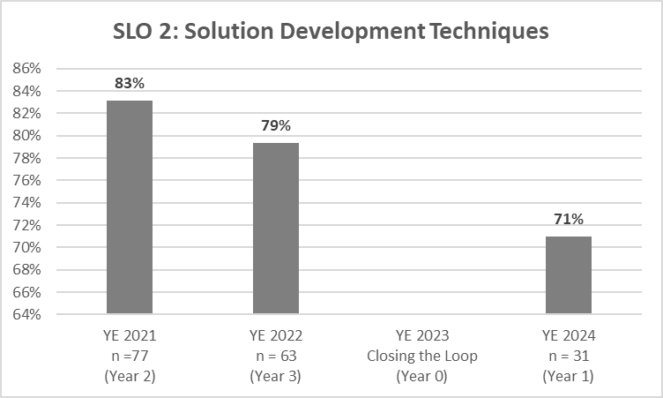
SLO3: MBA students will evaluate the effectiveness of various strategies designed to improve the success of business operations. Measurable Goal: At least 85% of students will receive a score of Proficient on a designated assignment using a standard rubric. The 85% threshold represents proficiency that is “above average” (or B+), a measure of quality that parallels Quality Matters (an industry leader in online course design). | Assessment Measure and Type of Instrument: The assessment tool is an internal, formative, and direct assignment during the course of MIS 640. It is a "decision making problem" in which students are asked to evaluate effectiveness. For example, "Answer the following question: What could the U.S. Census Bureau Management and the Harris Corporation have done to prevent this outcome?" This direct assessment is accomplished by examining samples of students' work. A formative measure was selected in Year 0 by the subject matter expert and required during the students' educational program. UMO considers both internal and external assessment tools. As such, this assignment is internally produced during the course of MIS 640: Technology for Managerial Decision-Making. | 2021 (n=58) 55 of 58 (94.8%) scored at the proficiency level. --> Target was met. 2021 was Year 2 of a 3-Year Assessment Cycle. 2022 (n = 60) 58 of 60 (96.7%) scored at the proficiency level --> Target was met. 2022 was Year 3 of a 3-Year Assessment Cycle. 2023 Planning occurs in Year 0. Changes are made to assignments and learning objectives, if needed. 2023 was Year 0 of a 3-Year Assessment Cycle. 2024 (n = 26) 23 of 26 (88%) scored at the proficiency level --> Target was met. 2024 was Year 1 of a 3-year Assessment Cycle. | Analysis: No changes are planned to the assignment/program at this time. Evidence supports the student learning outcome focusing on evaluation of various business strategies. | IMPROVEMENTS: During the current assessment cycle, consideration is being given as to how artificial intelligence (AI) might be incorporated into the process of decision making and evaluation of effectiveness. In addition, serious consideration is being given to the incorporation of the application of EXCEL into various courses across the graduate curriculum. | 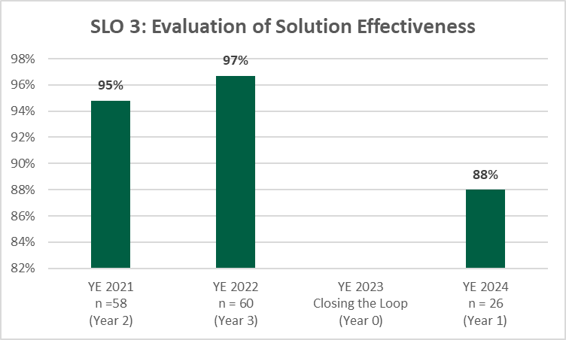

MBA - HCM
Table 4.1 - Standard 4 Student Learning Assessment
Identified in Criterion 4.2 | Identified in Criterion 4.1 | Identified in Criterion 4.3 |  | Identified in Criterion 4.4 | Identified in Criterion 4.3
Approach | Deployment | Results | Analysis of Results | Improvement | Insert Graphs or Tables of Trends (3-5 data points) Report sample or population size n = #
Program Learning Objectives SLO1, SLO2, etc. | What is your measurement instrument or process? | What are your current results? | What did you learn from the results? | What did you improve or what is your next step?
 | (Indicate type of instrument) direct, formative, internal, external, comparative, and/or summative

MASTER OF BUSINESS ADMINISTRATION (MBA) - Healthcare Management Concentration (HCM)
CORE LEARNING OUTCOMES
MBA CPC SLO: MBA students will demonstrate a core knowledge and comprehension of the current business environment as well as the functional areas of business, and be able to apply and integrate this knowledge and skillset in order to interpret, analyze and solve problems from an organizational perspective. Measurable Goal: To score no greater than 5 points less than the average of SACS and ACBSP Region 3 averages, respectively across topics of the CPCs. | Assessment Measure and Instrument: Peregrine Global Services administers the outbound exam for the UMO Tillman School of Business. The outbound exam is taken during the capstone course of each major. Type of Instrument: This assessment instrument is external, summative, and comparative. The MBA-HCM students take their outbound exams at the end of HCM 671: Healthcare Policy and Strategy Implementation. |  |  | ANALYSIS OF RESULTS: Based on the longitudinal analysis, the year ending 2024 reflected multiple areas in which the goal of "no greater than 5 points less than the average of ACBSP Region 3 and SACS aggregates was not met." In all the areas indicated by "red" scores, MBA-HCM students fell below the averages: Finance, Economics, Information Systems, and Operations Management. They also fell below the ACBSP average in Marketing. In the current year ending 2025, UMO students scored well above both ACBSP Region 3 and SACS aggregates, so no concern. Also, in the concentration subject areas, the students followed the same performance pattern, with their best performance in the current year. | IMPROVEMENT: A full-time HCM faculty has been hired (June) to take ownership of the program. This individual's credentials are, without question, outstanding. However, this year a "universal design template" based on Quality Matters has been implemented throughout our online degree programs. This has improved student satisfaction as well as performance on evaluation measures. We will need to carefully investigate conditions under which students take the outbound exam across programs. With AI and the myriad of resources that are available for students to use, it is important to identify the best testing environment that can be consistently maintained through the assessment cycles. Finally, as for the concentration areas, it is imperative that we hire an adjunct that can focus primarily on financial management in the HCM arena. This is a special skillset; it is difficult to hire a hospital CFO or CPA employed in various healthcare facilities to teach for the UMO adjunct rate. SEE BELOW FOR GRAPHS.
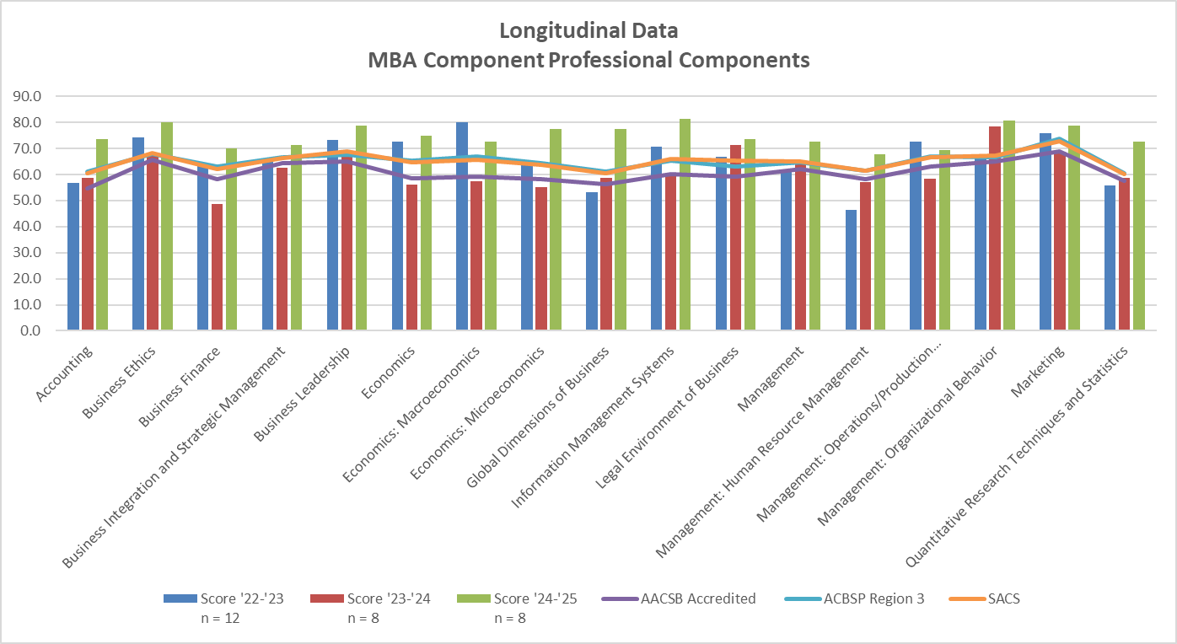 |  |  | 